Copyright
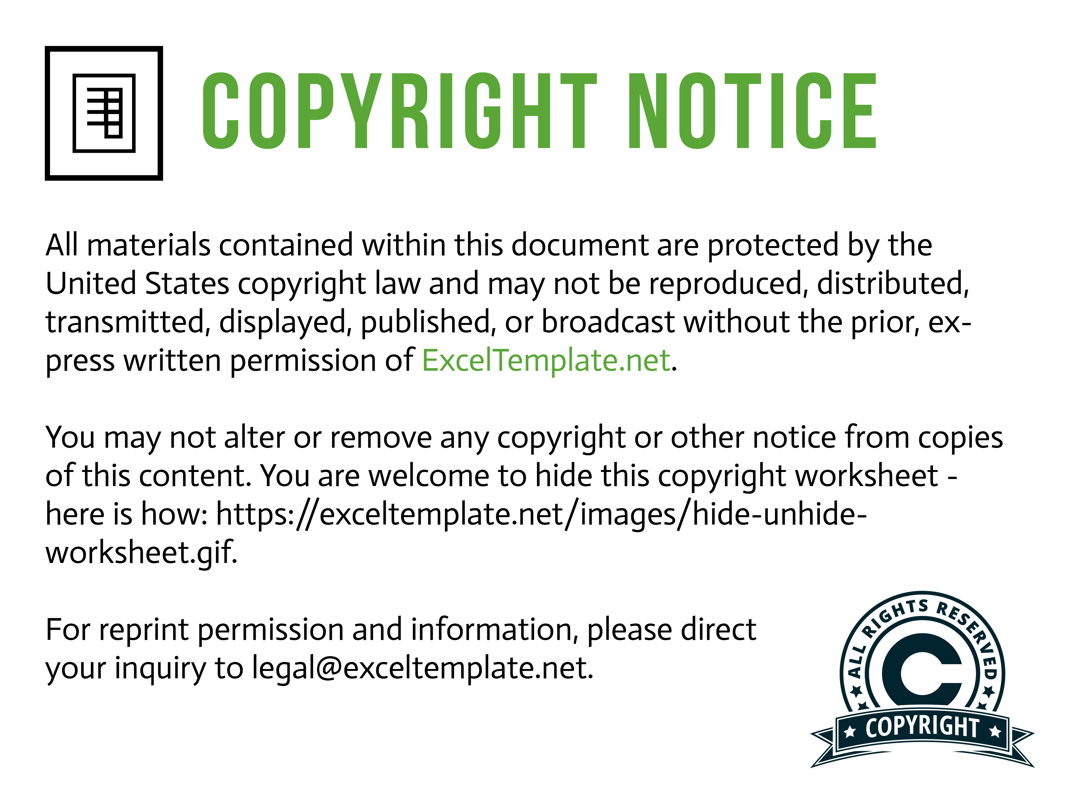

Need help? Please see this page for information:
https://exceltemplate.net/support/

